Sheet1
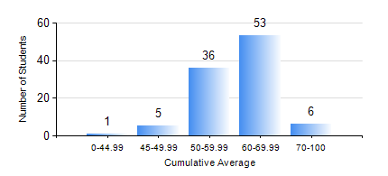
 |  |  | KWAME NKRUMAH UNIVERSITY OF SCIENCE AND TECHNOLOGY, KUMASI Department of Materials Engineering

 |  |  | BSC. METALLURGICAL ENG.

 |  |  | COMPREHENSIVE RECORD OF EXAMINATION RESULTS

 |  |  | RESULTS OF YEAR 2 SECOND SEMESTER, 2019/2020 ACADEMIC YEAR

 | Sn | Course Code |  | Course Name | Credit Hours | Min. Mark | Max. Mark | Avg. Mark | Std. Dev. | No. Passed | No. Trailed | No. (Df) | No. (I) | No. (I*) | No. Tagged(I,I*,Df) | Total
 | 0. |  |  |  |  |  |  | 0 | 0 | 0 | 0 | 0 | 0 | 0 | 0 | 2
 | 1. | MATH 252 |  | CALCULUS WITH SEVERAL VARIABLES | 4 | 41 | 90 | 65 | 12.88 | 98 | 0 | 0 | 1 | 0 | 1 | 99
 | 2. | METE 252 |  | METALLURGICAL RATE PROCESSES/SURFACE PHENOMENA | 3 | 40 | 77 | 57 | 9.08 | 99 | 0 | 0 | 0 | 0 | 0 | 99
 | 3. | METE 254 |  | MINERAL PROCESSING I | 3 | 40 | 83 | 65 | 10.73 | 98 | 0 | 0 | 1 | 0 | 1 | 99
 | 4. | METE 256 |  | ASSAYING | 2 | 41 | 85 | 65 | 9.21 | 95 | 0 | 0 | 4 | 0 | 4 | 99
 | 5. | MSE 252 |  | TRANSPORT PHENOMENA IN MATERIALS PROCESSING II | 2 | 43 | 81 | 63 | 7.34 | 99 | 0 | 0 | 0 | 0 | 0 | 99
 | 6. | MSE 260 |  | PHASE TRANSFORMATIONS | 2 | 40 | 93 | 61 | 12.26 | 94 | 0 | 0 | 5 | 0 | 5 | 99
 | 7. | MSE 262 |  | MATERIALS CHARACTERISATION TECHNIQUES | 2 | 66 | 86 | 77 | 4.6 | 99 | 0 | 0 | 0 | 0 | 0 | 99

